Sheet1
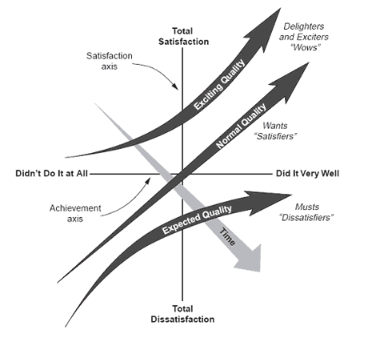
BASIC FEATURES |  | 3.094
user-friendly | 3.06 |  | -5 | -4 | -3 | -2 | -1 | 0 | 1 | 2 | 3 | 4 | 5
safety | 2.93
availability | 3.01
affordability | 2.95
maintenance | 3.91
gps | 3.12
payment | 2.92
customer | 3.16
sustainability | 2.94
insurance | 2.94
PERFORMANCE FEATURES |  | 3.006
speed | 3
cost | 2.96
ergonomic | 3.07
customization | 2.93
advanced | 3.07
SURPRISE FEATURES |  | 3.056
innovative | 2.96
sustainability features | 3.2
social | 3.02
enhanced | 2.98
unique | 3.12

